Instructions
Instructions for Completing this Form
BSR Process Flow

1) Please complete all sections in the 'General Information' red tab, making sure you select all other tabs as identified in the business documentation
FLOWCHART OF PROCESS NEED TO BE AGREED UPON AND DETAILED

2) Complete each relevant tab and all relevant fields within the tab. For initial engagement with a project (i.e. creating the CSA, Shadow IT, upgrades, etc)., populate the In-Scope column as well as "Describe how the BSR will be met" column. Populating these fields will create the BSR summary tab that can be inserted into the CSA document or provided to the team as the initial security requirements.

3) As the BSRs get implemented/addressed through agile sprints or waterfall project tasks, use the drop downs where provided and ensure all Security Services used are identified. Ensure all risks ( rows where there is no Security Service identified or the requirement cannot be met) are identified.

4) Email the completed form to the .box.CyberTestTeam@Nationalgrid.com mailbox. You will be issued with a reference number; this should be used in all communications for the Cyber Test.
6) Either a vendor or the internal Cyber Test Team will complete a Statement of Work/Terms of Reference document and this will be issued alongside the requirements for a Cyber Test. This will detail what the requestors needs to ensure is in place for a successful test.
5) The scope will be reviewed by the Cyber Test Team. The 'Key Contact' will be contacted for any clarifications.
7) Once the SoW/ToR is agreed with the requestor, the process will move into the 'Requirements for a Cyber Test- Gate 1' phase.

4) If an exception is identified or a finding (already in production), this becomes a risk and a Risks Assessment must be created by the BP&I Architect and sent to the Tech Risk team for review to determine the next steps (denied, accepted, not needed).

5) Evidence / acceptance criteria should be collected as the BSRs are being addressed. These can be referenced in the Implementation Details column and uploaded to a SharePoint folder. If using Jira as part of an agile project, the evidence should be uploaded to the User Story and the user story status updated accordingly (complete/closed).

6) The completed BSR worksheet can be used at Service Transition as evidence to the completion of the BSRs.
For agile projects where there may be minor releases, capturing the evidence for the relevant sprint BSRs completed can be leveraged as well as proof of readiness for go-live.

General Information
 | NATIONAL GRID BASELINE SECURITY REQUIREMENTS TEMPLATE FOR ALL PROJECTS CLASSIFIED AS HIGH

Section 1: Please select your Classification Definitions before proceeding to Section 2. | PROJECT CLASSIFICATION DEFINTIONS [ ONE OR MORE MUST APPLY ]
 | AVAILABILITY | CONFIDENTIALITY | INTEGRITY
 | High - Operationally Critical rated systems | High - Strictly Confidential classified data | High - System of record data and its loss would mean a severe impact to the company to include regulatory or legal penalties

TOWER COMPOSITION
 | Risks Registered | Risks In Progress | BSR Engagement
 | 0 | 0 | 1
 | 0 | 0 | 0
 | 0 | 0 | 0
 | 0 | 0 | 7
 | 0 | 0 | 0
 | 0 | 0 | 7
 | 0 | 0 | 3
 | 0 | 0 | 1
 | 0 | 0 | 3
 | 0 | 0 | 0
 | 0 | 0 | 2
 | 0 | 0 | 0
 | 0 | 0 | 1
Section 2: Totals section, no input here. | CLASSIFICATION | HIGH
 | COMPLEXITY | 2
 | TOTAL REQUIREMENTS | 13
 | COMPLETED REQUIREMENTS | 1
 | REQUIREMENTS NOT STARTED | 2
 | REQUIREMENTS NOT APPLICABLE | 16
 | REQUIREMENTS IN PROGRESS | 10
 | RISKS REGISTERED | 0
 | RISKS TO BE CONFIRMED | 12
 | RISKS NOT APPLICABLE | 17
 | RISKS IN PROGRESS | 0

Section 3: Please fill out all rows to the right with information relevant to the project/program. | Program Name: | Data Management
 | Project Name: | Enterprise Data Management Capabilities - Master Data Management (MDM)Tool/Platform
 | INVP Number: | 5917E
 | Go Live Date: | TBD
 | Project Manager: | Nishit Ajwaliya
 | Solution Architect: | Keith Vargas
 | Security Business Process & Integration Architect : | Igor Barshteyn
 | Area of the Business this work is being completed for: | Data Management
 | Application Name | Reltio MDM Platform
 | Application ID Number | N/A
 | Service Owner Name: | Sean Mcauley
 | SharePoint URL : | TBD

 | Vendor Name: | Reltio
 | Vendor Security Contact: | Contact Name: Peter Bierfeldt (Reltio) |  | Phone #:
 |  | Email: peter.bierfeldt@reltio.com

 | Is this a CNI system? | No
 | What part of CNI? | N/A
 | What is the classification of the data stored within the application or system? | STRICTLY CONFIDENTIAL
 | Does this system have connections across a network boundary (e.g. CNI > BLAN) | Yes
 | If the above is Yes, does it require pen testing? | No |  |  |  | Notes: Devices/application that has a connection between CNI & BLAN or expose external interfaces outside CNI/OT DC/Premises Peer Review Required: US- Manish/Peter/Elaine, UK - Mike/ Daniel H/Daniel C
 | Does the system or application store or process personal identifiable information (PII) that will fall under GDPR or US regulatory control | Yes
 | If the above is Yes, does it require pen testing? | No |  |  |  | Notes: Applications that have exposure to large PII or massive regulatory exposure e.g. SAP, manage identity/access/permissions e.g. AD/CyberArk/Sailpoint etc. Peer Review Required: US- Manish/Elaine/Gerry/Igor, UK - Mike/Basav/Marcos/Darron
 | Is this system accessible over the Internet either through a Cloud-Based Offering or through external systems managed by National Grid | No
 | If the above is Yes, does it require pen testing? | No |  |  |  | Notes: Devices/applications that expose inbound connection to NG systems/application/devices (Only outbound on VM scanning) Peer Review Required: US- Manish/Elaine/Igor/Gerry, UK - Mike/Daniel H/Daniel C/Basav/Marcos/Darron
 | Is this system 3rd Party Hosted? | Yes
 | Who is the hosting company? | Reltio, Hosting on AWS/GCP (AWS for NG to restrict to US Region only)
 | If yes, is there any shared infrastructure. Please state what this is. | N/A
 | Pen Testing Status | No pen test required

Section 4: Select "Yes" for each section that applies to your project. Select "No" if the section does not apply. | Baseline Security Requirements Sections
 | SERVER BSRs [ NOTE : Use this tab for IaaS Solutions ] : This tab lists the Baseline Security Requirements for any Server(s) to be placed with the National Grid estate [ Corporate, CNI, OT, Azure ] |  |  |  | No | If YES, then Fill out the Blue Tab
 | END USER DEVICES BSRs : This tab lists the Baseline Security Requirements for any end user device ( laptop, desktop, mobile device, field device, etc. .. ) that will be placed with the National Grid estate [ Corporate, CNI, OT, Azure ] |  |  |  | No | If YES, then Fill out the Orange Tab
 | APPLICATION BSRs [ NOTE : Use this tab for IaaS Solutions ] : This tab lists the Baseline Security Requirements for any application to be installed within the National Grid estate [ Corporate, CNI, OT, Azure ] |  |  |  | No | If YES, then Fill out the Green Tab
 | SOFTWARE-AS-A-SERVICE (SaaS) and PLATFROM-AS-A-SERICE (PaaS) BSRs : This tab lists the Baseline Security Requirements for any deployment of any 3rd party SaaS or PaaS solutions |  |  |  | Yes | If YES, then Fill out the Purple Tab.
 | NETWORK SECURITY BSRs : This tab lists the Baseline Security Requirements for any deployment of any 3rd party IaaS solutions |  |  |  | Yes | If YES, then Fill out the Grey Tab.
 | SOFTWARE DEVELOPMENT BSRs : This tab lists all the Baseline Security Requirements for any on-house application development that will be deployed in the production environment of the National Grid estate [ Corporate, CNI, OT, Azure ] |  |  |  | No | If YES, then Fill out the Red Tab
 | AUTONOMOUS DEVICES BSRs : This tab lists all the Baseline Security Requirements for autonomous devices. |  |  |  | No | If YES, then Fill out the Yellow Tab
 | DATABASE BSRs : This tab lists all the Baseline Security Requirements for any new, updates, or changes to Databases. |  |  |  | No | If YES, then Fill out the Navy Blue Tab
 | OT BSRs : This tab lists all the Baseline Security Requirements for anything new, updated, or changes affecting Operational Technology. |  |  |  | No | If YES, then Fill out the Dark Orange Tab

 | Please complete all relevant tabs based on the defined and identified business requirements ( Solution Vision , Conceptual Solution Architecture, & Business Requirements Document )

Pattern
SOLUTION PATTERN - IDENTIFY THE SYSTEMS, SERVICES, & THE SECURITY CONTROLS IMPLEMENTED IN THIS SOLUTION
INSERT VISIO DIAGRAM IN THE BOX BELOW

 | 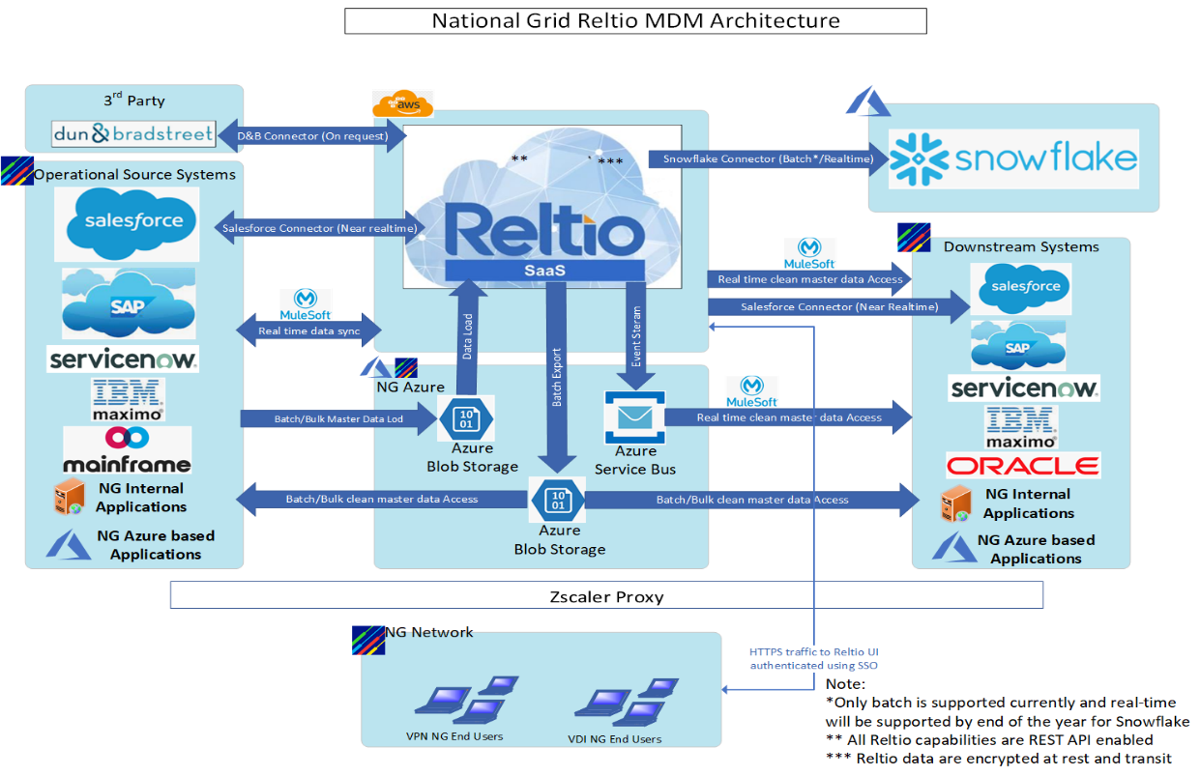 INSERT PATTERN, CSA, LTM/PTM DOCUMENTATION HERE

